MATHS - Calculation
/ 20
Trainer |  |  |  |  |  | 2022-08-02
FAPEL Charles KRIM | Figures | Select Calculation | Figures | = | RESULTS | 0 |  | .
charles.krim@fapel.lu | Square Root calculation | √² | of the following figures |  |  | S C O R E

1 |  | √² |  | = |  |  | ?
2 |  | √² |  | = |  |  | +
3 |  | √² |  | = |  |  | -
4 |  | √² |  | = |  |  | /
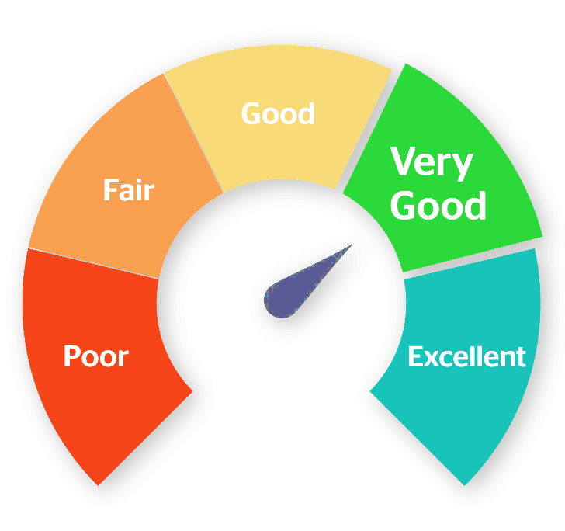
5 |  | √² |  | = |  |  | X
6 |  | √² |  | = |  |  | %
7 |  | √² |  | = |  |  | Xᵡ
8 |  | √² |  | = |  |  | √²
9 |  | √² |  | =
10 |  | √² |  | = |  | Push for S C O R E

11 |  | √² |  | =
12 |  | √² |  | =
13 |  | √² |  | =
14 |  | √² |  | =
15 |  | √² |  | =

16 |  | √² |  | =
17 |  | √² |  | =
18 |  | √² |  | =
19 |  | √² |  | =
20 |  | √² |  | =

 |  |  | Erasmus+ EDUCATION OUT OF THE BOX 2020-1-LU01-KA226-SCH-078053 https://www.education-outofthebox.eu

 |  |  |  |  |  |  |  | .
 |  |  |  |  |  |  |  | .

